Sheet1
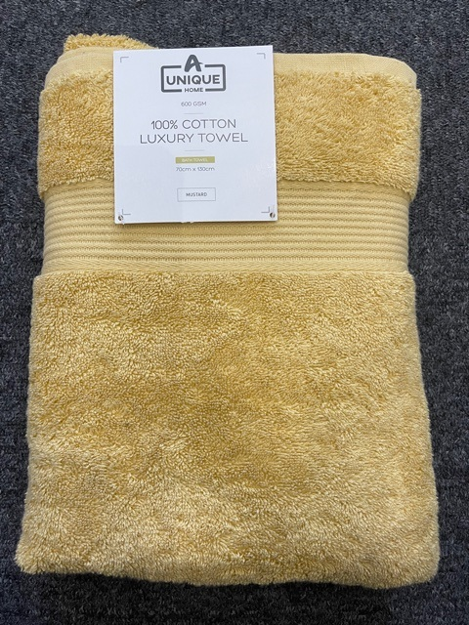
DESCRIPTION |  | Color (Reactive Dyed) | sizes(cm) | GSM | Quantity | Cost | Line Cost
Carded hand towels | 100% cotton | white | 50x90 | 600 | 160
Carded hand towels | 100% cotton | Natural | 50x90 | 600 | 200
Carded hand towels | 100% cotton | Charcoal | 50x90 | 600 | 120
Carded hand towels | 100% cotton | silver | 50x90 | 600 | 160
Carded hand towels | 100% cotton | Blush pink | 50x90 | 600 | 80
Carded hand towels | 100% cotton | Bright teal | 50x90 | 600 | 120
Carded hand towels | 100% cotton | Mustard | 50x90 | 600 | 120
Carded hand towels | 100% cotton | cream | 50x90 | 600 | 120
Carded hand towels | 100% cotton | MIX | 50x90 | 600 | 120
 |  |  |  |  | 1200
Carded Bath Towels | 100% cotton | white | 70x130 | 600 | 240
carded bath towels | 100% cotton | Natural | 70x130 | 600 | 270
Carded Bath Towels | 100% cotton | Charcoal | 70x130 | 600 | 420
Carded Bath Towels | 100% cotton | silver | 70x130 | 600 | 150
Carded Bath Towels | 100% cotton | Blush pink | 70x130 | 600 | 240
Carded Bath Towels | 100% cotton | Bright teal | 70x130 | 600 | 210
Carded Bath Towels | 100% cotton | Mustard | 70x130 | 600 | 330
Carded Bath Towels | 100% cotton | cream | 70x130 | 600 | 270
Carded Bath Towels | 100% cotton | MIX |  | 600 | 90
 |  |  |  |  | 2220
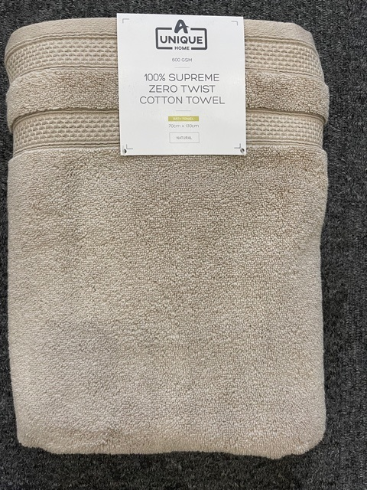
Carded Bath sheet | 100% cotton | white | 100x150 | 600 | 96
Carded Bath sheet | 100% cotton | Natural | 100x150 | 600 | 128
Carded Bath sheet | 100% cotton | Charcoal | 100x150 | 600 | 112
Carded Bath sheet | 100% cotton | silver | 100x150 | 600 | 112
Carded Bath sheet | 100% cotton | Blush pink | 100x150 | 600 | 160
Carded Bath Sheet | 100% cotton | Bright teal | 100x150 | 600 | 128
carded bath sheet | 100% cotton | Mustard | 100x150 | 600 | 144
Carded Bath sheet | 100% cotton | cream | 100x150 | 600 | 144
Carded Bath sheet | 100% cotton | MIX | 100x150 | 600 | 48
 |  |  |  |  | 1072
Zero Twist hand towels | 100% cotton | white | 50x90 | 600 | 160
Zero Twist hand towels | 100% cotton | Natural | 50x90 | 600 | 160
Zero Twist hand towels | 100% cotton | Charcoal | 50x90 | 600 | 160
Zero Twist hand towels | 100% cotton | silver | 50x90 | 600 | 80
Zero Twist hand towels | 100% cotton | Blush pink | 50x90 | 600 | 120
Zero Twist hand towels | 100% cotton | Bright teal | 50x90 | 600 | 160
Zero Twist hand towels | 100% cotton | Mustard | 50x90 | 600 | 120
Zero Twist hand towels | 100% cotton | cream | 50x90 | 600 | 160
Zero Twist hand towels | 100% cotton | MIX | 50x90 | 600 | 120
 |  |  |  |  | 1240
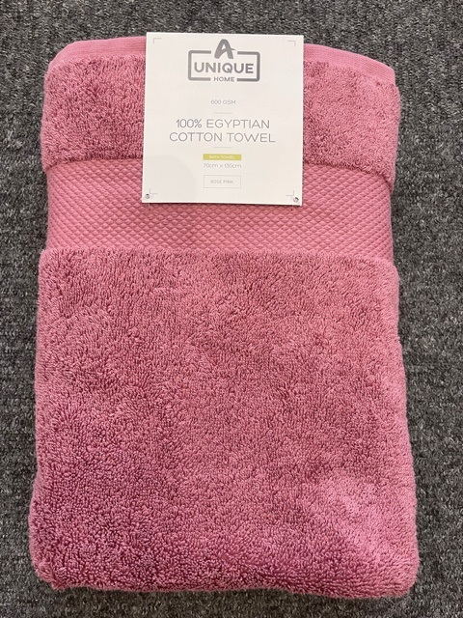
Zero twist bath towel | 100% cotton | white | 70x130 | 600 | 240
Zero twist bath towel | 100% cotton | Natural | 70x130 | 600 | 360
Zero twist bath towel | 100% cotton | Charcoal | 70x130 | 600 | 260
Zero twist bath towel | 100% cotton | silver | 70x130 | 600 | 280
Zero twist bath towel | 100% cotton | Blush pink | 70x130 | 600 | 280
Zero twist bath towel | 100% cotton | Bright teal | 70x130 | 600 | 160
Zero twist bath towel | 100% cotton | Mustard | 70x130 | 600 | 260
Zero twist bath towel | 100% cotton | cream | 70x130 | 600 | 220
Zero twist bath towel | 100% cotton | MIX | 70x130 | 600 | 60
 |  |  |  |  | 2120
Zero Twist bath sheet | 100% cotton | white | 100x150 | 600 | 128
Zero twist bath sheet | 100% cotton | Natural | 100x150 | 600 | 144
Zero twist bath sheet | 100% cotton | Charcoal | 100x150 | 600 | 144
Zero twist bath sheet | 100% cotton | silver | 100x150 | 600 | 112
Zero twist bath sheet | 100% cotton | Blush pink | 100x150 | 600 | 144
Zero twist bath sheet | 100% cotton | Bright teal | 100x150 | 600 | 144
Zero twist bath sheet | 100% cotton | Mustard | 100x150 | 600 | 144
Zero twist bath sheet | 100% cotton | cream | 100x150 | 600 | 112
Zero twist bath sheet | 100% cotton | MIX | 100x150 | 600 | 16
 | 100% cotton |  |  |  | 1088
Egyptian Cotton hand towel | 100% cotton | white | 50x90 | 600 | 80
Egyptian Cotton hand towel | 100% cotton | Natural | 50x90 | 600 | 80
Egyptian Cotton hand towel | 100% cotton | Charcoal | 50x90 | 600 | 80
Egyptian Cotton hand towel | 100% cotton | Bright teal | 50x90 | 600 | 80
Egyptian Cotton hand towel | 100% cotton | Mustard | 50x90 | 600 | 120
Egyptian Cotton hand towel | 100% cotton | Navy | 50x90 | 600 | 80
Egyptian Cotton hand towel | 100% cotton | Lavender | 50x90 | 600 | 120
Egyptian Cotton hand towel | 100% cotton | Silver | 50x90 | 600 | 80
Egyptian Cotton hand towel | 100% cotton | Dark green | 50x90 | 600 | 80
Egyptian Cotton hand towel | 100% cotton | Aubergine | 50x90 | 600 | 80
Egyptian Cotton hand towel | 100% cotton | Rose pink | 50x90 | 600 | 80
Egyptian Cotton hand towel | 100% cotton | Burnt orange | 50x90 | 600 | 80
Egyptian Cotton hand towel | 100% cotton | Black | 50x90 | 600 | 80
Egyptian Cotton hand towel | 100% cotton | MIX | 50x90 | 600 | 200
 |  |  |  |  | 1320
Egyptian Cotton bathtowel | 100% cotton | White | 70x130 | 600 | 150
Egyptian Cotton bathtowel | 100% cotton | Natural | 70x130 | 600 | 210
Egyptian Cotton bathtowel | 100% cotton | Charcoal | 70x130 | 600 | 180
Egyptian Cotton bathtowel | 100% cotton | Bright teal | 70x130 | 600 | 210
Egyptian Cotton bathtowel | 100% cotton | Mustard | 70x130 | 600 | 210
Egyptian Cotton bathtowel | 100% cotton | Navy | 70x130 | 600 | 210
Egyptian Cotton bathtowel | 100% cotton | Lavender | 70x130 | 600 | 180
Egyptian Cotton bathtowel | 100% cotton | silver | 70x130 | 600 | 180
Egyptian Cotton bathtowel | 100% cotton | Dark green | 70x130 | 600 | 180
Egyptian Cotton bathtowel | 100% cotton | Aubergine | 70x130 | 600 | 210
Egyptian Cotton bathtowel | 100% cotton | Rose pink | 70x130 | 600 | 150
Egyptian Cotton bathtowel | 100% cotton | Burnt orange | 70x130 | 600 | 240
Egyptian Cotton bathtowel | 100% cotton | Black | 70x130 | 600 | 180
Egyptian Cotton bathtowel | 100% cotton | MIX | 70x130 | 600 | 150
 |  |  |  |  | 2640
Egyptian Cotton Bath sheet | 100% cotton | white | 100x150 | 600 | 80
Egyptian Cotton Bath sheet | 100% cotton | Natural | 100x150 | 600 | 128
Egyptian Cotton Bath sheet | 100% cotton | Charcoal | 100x150 | 600 | 96
Egyptian Cotton Bath sheet | 100% cotton | Bright teal | 100x150 | 600 | 112
Egyptian Cotton Bath sheet | 100% cotton | Mustard | 100x150 | 600 | 80
Egyptian Cotton Bath sheet | 100% cotton | Navy | 100x150 | 600 | 96
Egyptian Cotton Bath sheet | 100% cotton | Lavender | 100x150 | 600 | 80
Egyptian Cotton Bath sheet | 100% cotton | silver | 100x150 | 600 | 96
Egyptian Cotton Bath sheet | 100% cotton | Dark green | 100x150 | 600 | 96
Egyptian Cotton Bath sheet | 100% cotton | Aubergine | 100x150 | 600 | 96
Egyptian Cotton Bath sheet | 100% cotton | Rose pink | 100x150 | 600 | 112
Egyptian Cotton Bath sheet | 100% cotton | Burnt orange | 100x150 | 600 | 144
Egyptian Cotton Bath sheet | 100% cotton | Black | 100x150 | 600 | 96
Egyptian Cotton Bath sheet | 100% cotton | MIX | 100x150 | 600 | 80
 |  |  |  |  | 1392
 |  |  |  |  | 14292

